Sheet1
 |  | Document No. | Issue No. | Issue Date |  | Review and Replace Date |  | Authorised By
 |  | GFF014MC | 4 | 08.04.2022 |  | 10.06.2026
 |  | Document Title | GC- 10 Vegetable Spring Roll | 850G
 |  |  |  |  |  |  |  | Magda Shah
Document amendments reason for change |  | Film Updated | Page 1 of 1 |  | Previous Issue Date |  | 24.02.2026 | Uncontrolled copy unless signed original

CVSRL-B10T | Gazebo (BULK-SNACKS) |  | GC- 10 Vegetable Spring Roll | 850G X 1
STEP 1 |  |  |  |  | STEP 2
 |  |  |  |  | 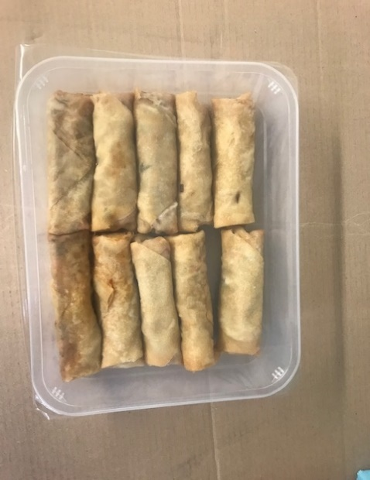

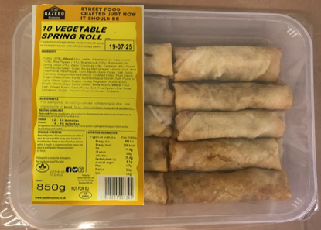
Tray: HW308/60 open ECO tray- (PKESS001-12) |  |  |  |  | Vegetable Spring Roll (GFF114R): 85g (1X10 Units) - 850g
Film: 25mu Weld Seal Mono PET Film (340mm x 1000lm) (PKCLI001-04)
STEP 3
 |  |  | 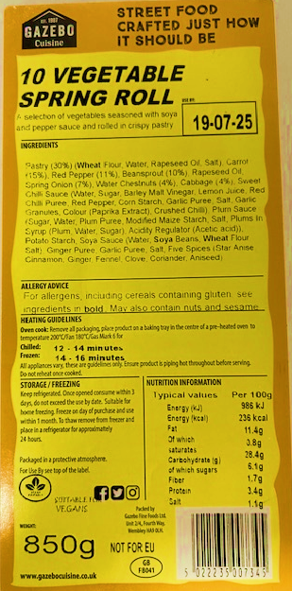

Label:10 Vegetable Spring Roll-Barcode: 7345
TOTAL WEIGHT: 850g

ALLERGY ALERT: WHEAT,SOYA

